Dala Sales & Deliveries
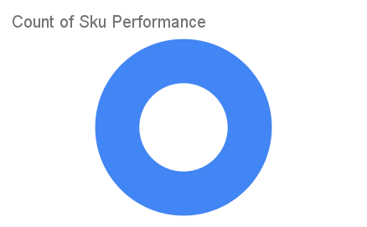
 | Total Invoices Delivered | 17.00 | Sku Performance | Units | Value
 | Unique Locations Supplied | 17.00 | 50g Dried Mushrooms (24x) | 10.13 | 437,616.00
 | Total Value of orders | 437,616.00 |  | 0.00 | 0.00
 |  |  |  | 0.00 | 0.00
 |  |  |  | 0.00 | 0.00
 |  |  |  | 0.00 | 0.00
 |  |  |  | 0.00 | 0.00
 |  |  |  | 0.00 | 0.00
 |  |  |  | 0.00 | 0.00
 |  |  |  | 0.00 | 0.00
 |  |  |  | 0.00 | 0.00
2025-04-11 |  |  |  | 0.00 | 0.00
 |  |  |  | 0.00 | 0.00

